M04
Speaker: M04 | Intelligibility: Very Low | Speech Vision Accuracy: 10.94

Model Name | Layers Frozen | Accuracy | Loss graph | Training accuracy graph
M04_E1.h5 | Encoder 1 | 7 | 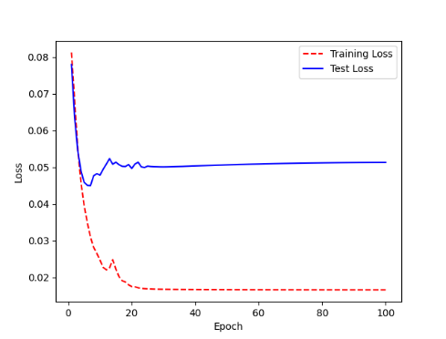 | 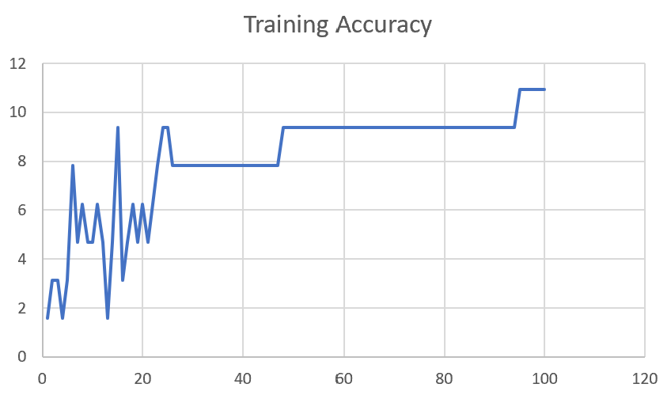

M04_E12.h5 | Encoder 12 | 5 | 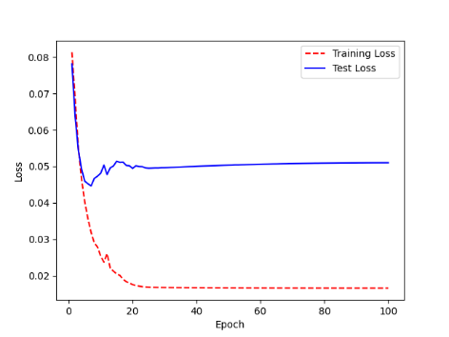 | 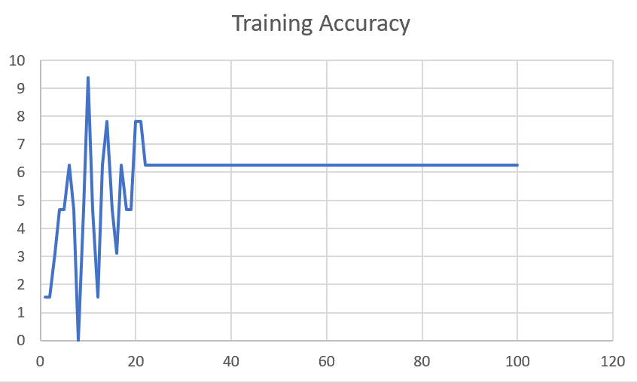

M04_E123 | Encoder 123 | 7 | 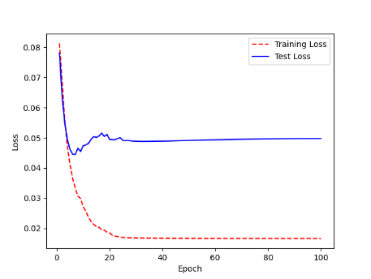 | 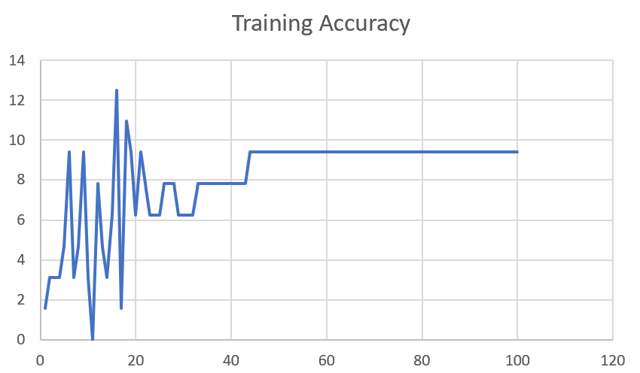

M04_E1234 | Encode 1234 | 6 |  | 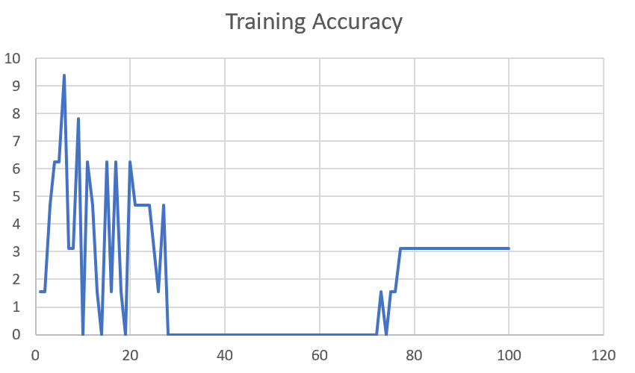

M04_E12345 | Encode 12345 | 6 | 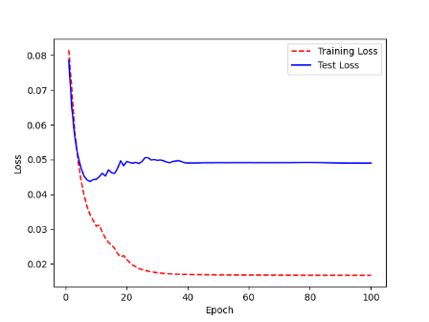 | 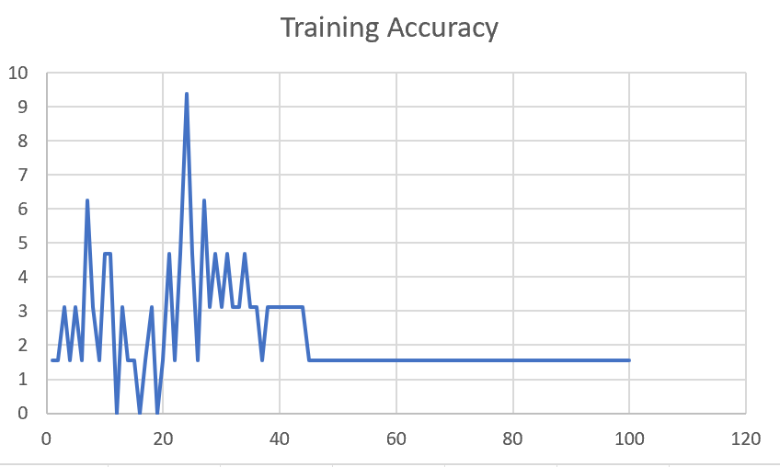

M04_TE | Token Embeddings | 7 | 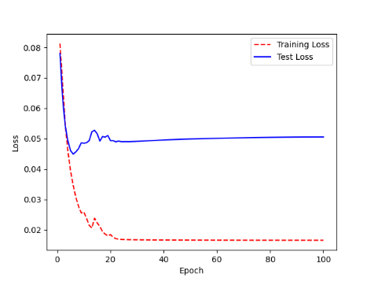 | 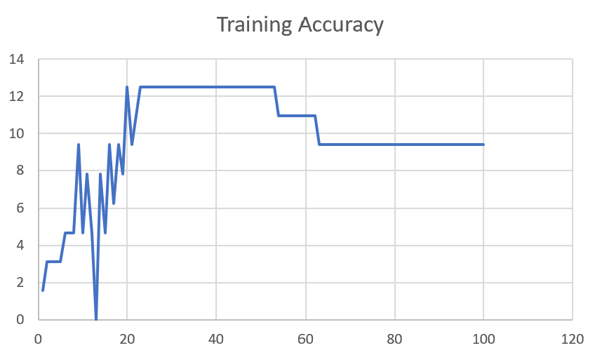

M04_T3+D123 | Token Embeddings + Decoder 1 | 6 | 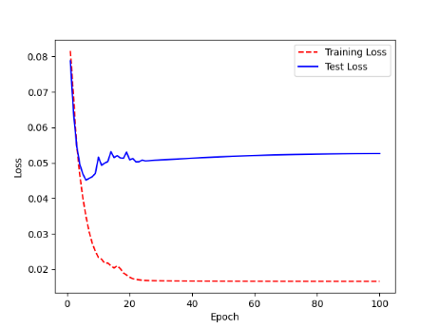 | 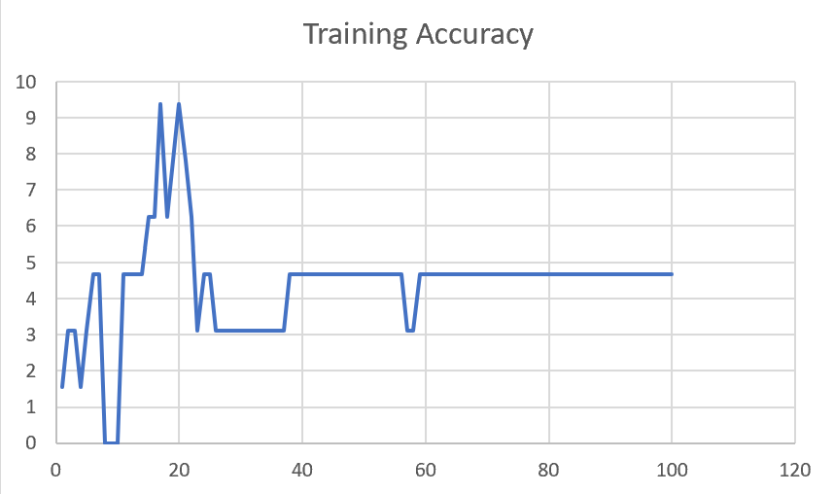

M04_T3+D12 | Token Embeddings + Decoder 12 | 6 | 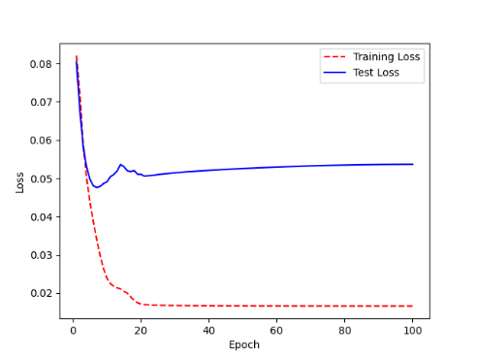 | 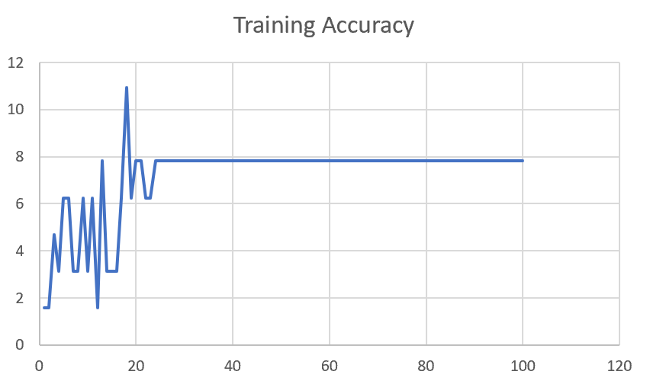

M04_T3+D1 | Token Embeddings + Decoder 123 | 5 | 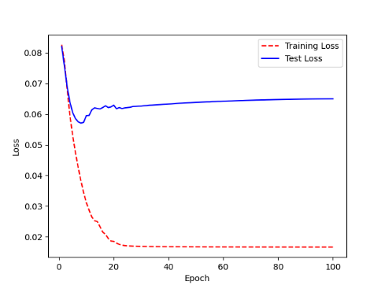 | 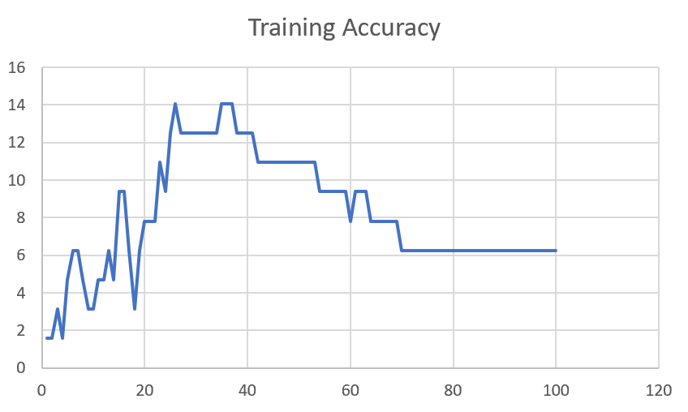

F02
Speaker: F02 | Intelligibility: Low | Speech Vision Accuracy: 67.02

Model Name | Layers Frozen | Accuracy | Loss graph | Training accuracy graph
F02_E1.h5 | Encoder 1 | 47 |  | 

F02_E12.h5 | Encoder 12 | 45 |  | 

F02_E123 | Encoder 123 | 47 |  | 

F02_E1234 | Encode 1234 | 43 |  | 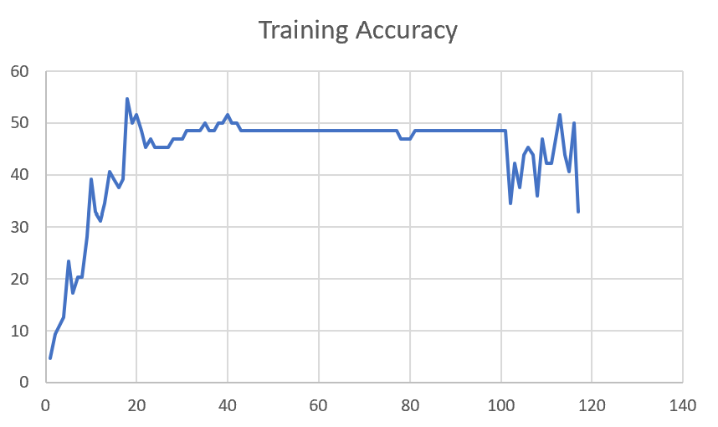

F02_E12345 | Encode 12345 | 41 | 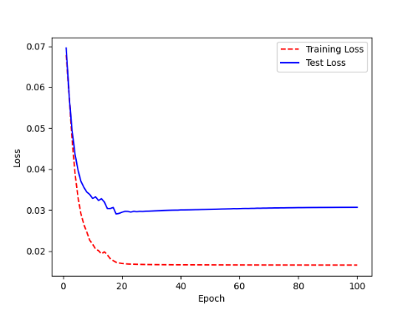 | 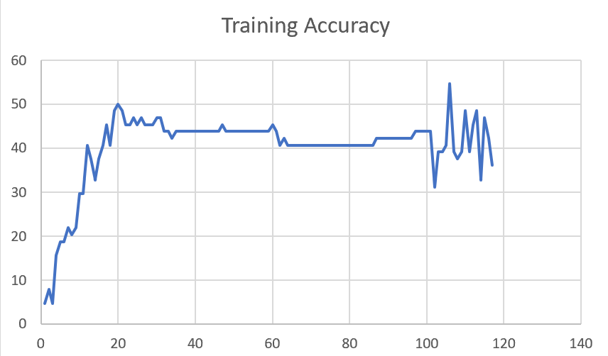

F02_t3 | Token Embeddings | 52 | 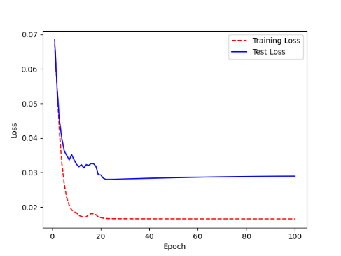 | 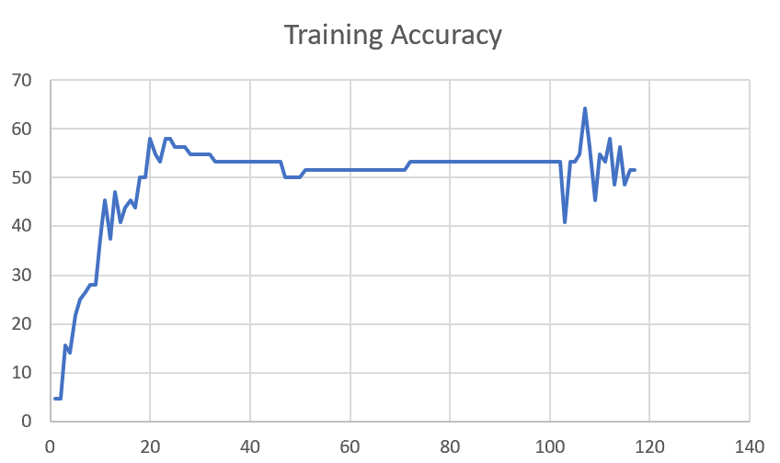

F02_T3+D123 | Token Embeddings + Decoder 123 | 45 | 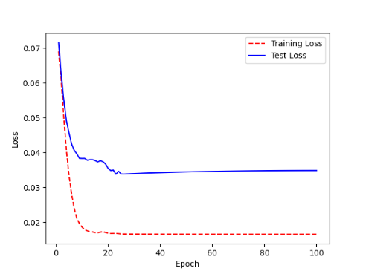 | 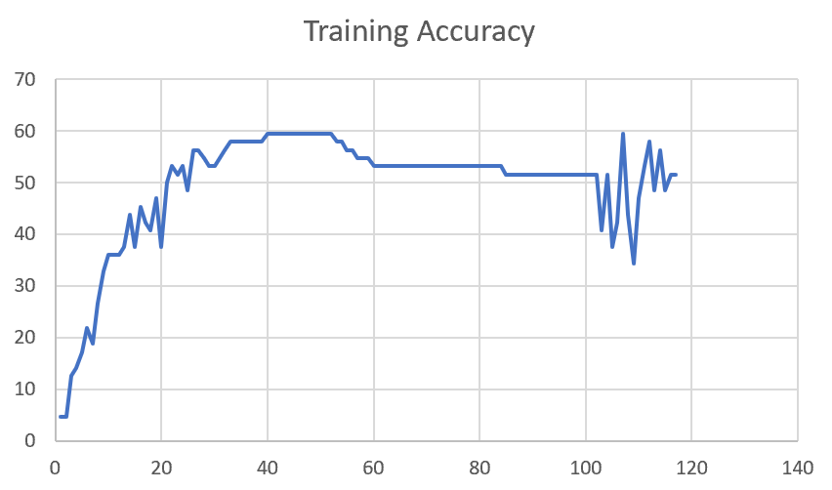

F02_T3+D12 | Token Embeddings + Decoder 12 | 50 | 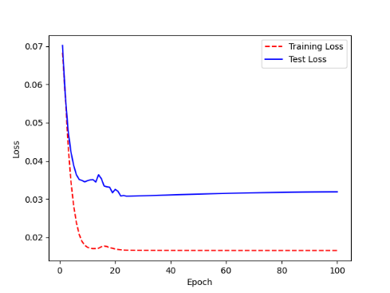 | 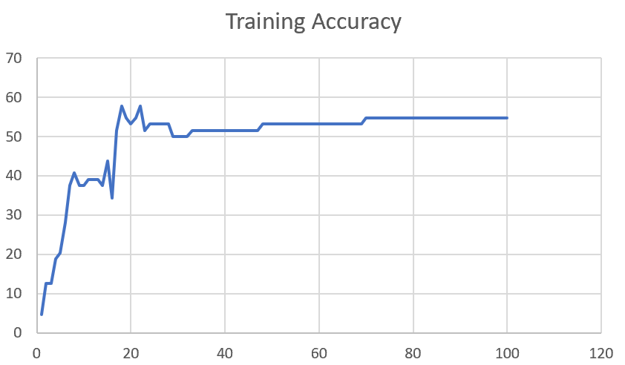

F02_T3+D1 | Token Embeddings + Decoder 1 | 50 | 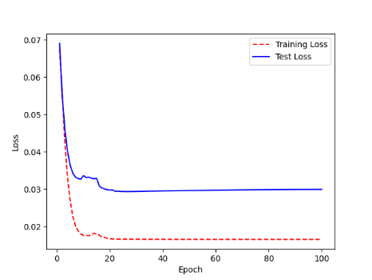 | 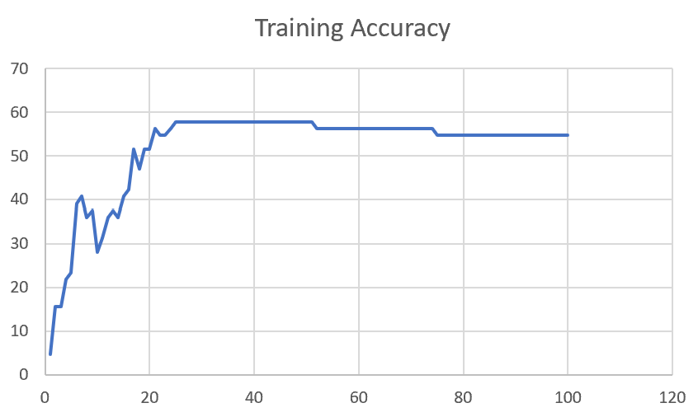

F03
Speaker: F03 | Intelligibility: Very Low | Speech Vision Accuracy: 32.47

Model Name | Layers Frozen | Accuracy | Loss graph | Training accuracy graph
F03_E1.h5 | Encoder 1 | 22 | 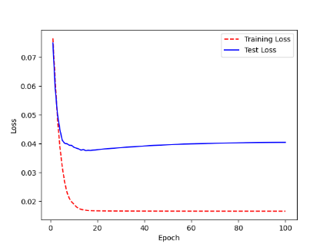 | 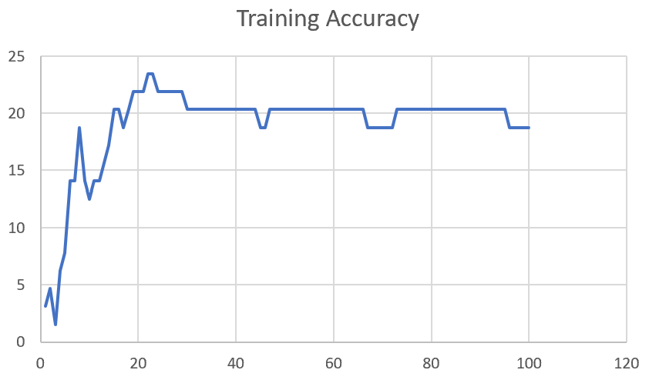

F03_E12.h5 | Encoder 12 | 25 | 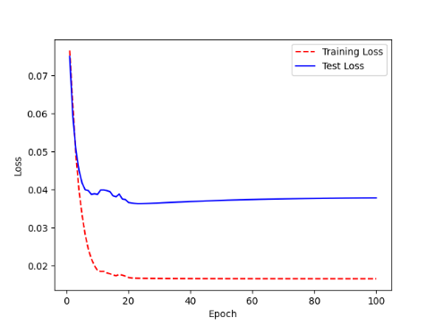 | 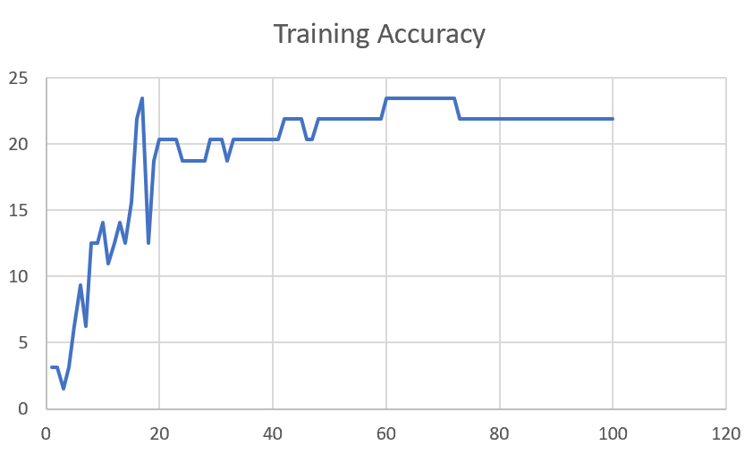

F03_E123 | Encoder 123 | 23 | 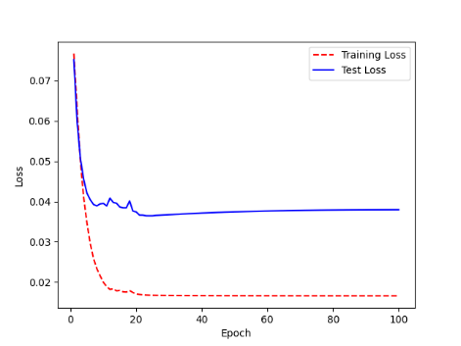 | 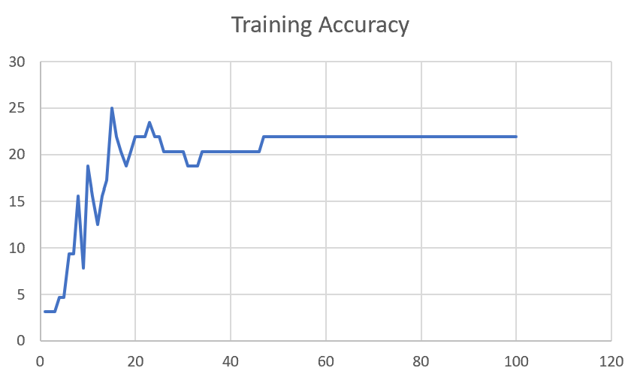

F03_E1234 | Encode 1234 | 20 | 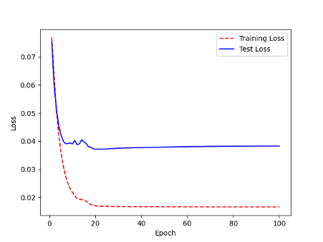 | 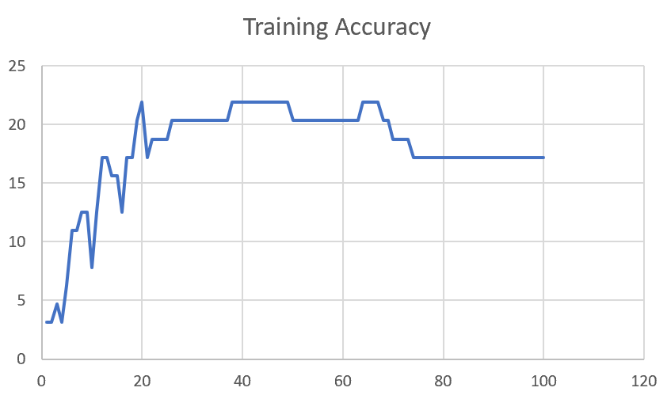

F03_E12345 | Encode 12345 | 19 |  | 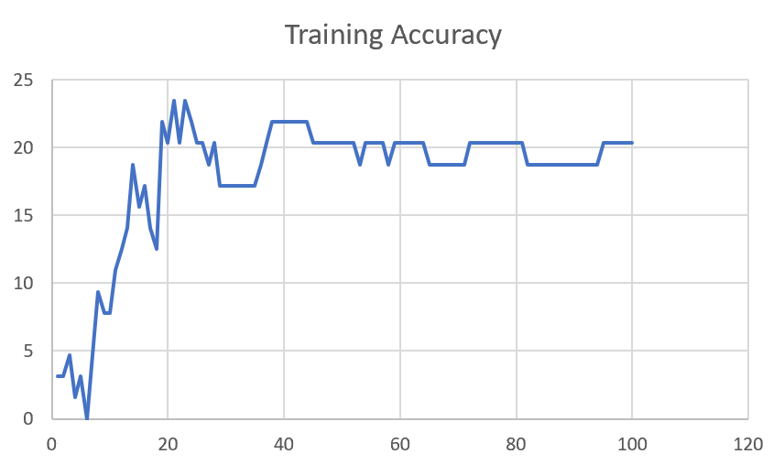

F03_TE | Token Embeddings | 28 |  | 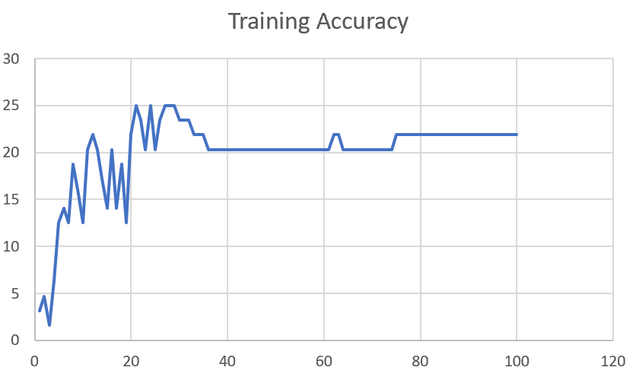

F03_T3+D123 | Token Embeddings + Decoder 1 | 29 |  | 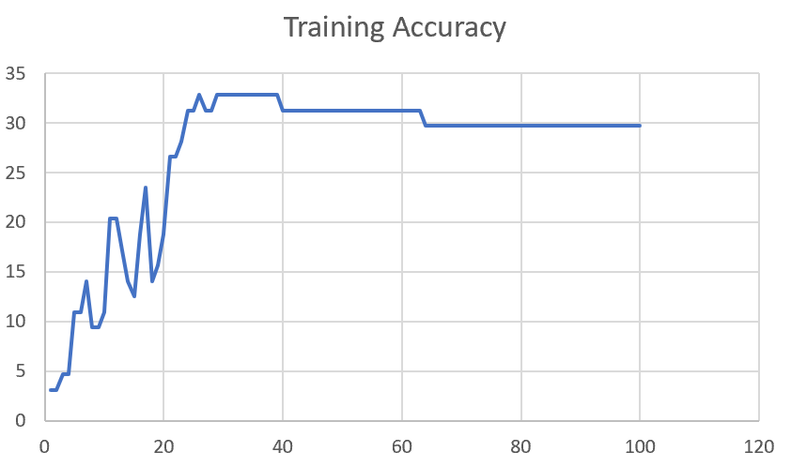

F03_T3+D12 | Token Embeddings + Decoder 12 | 25 | 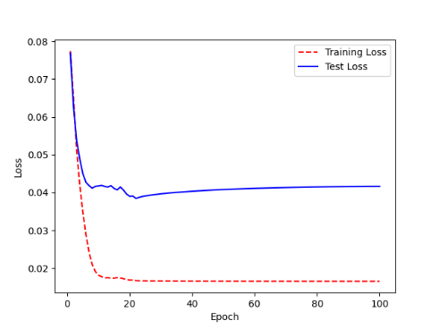 | 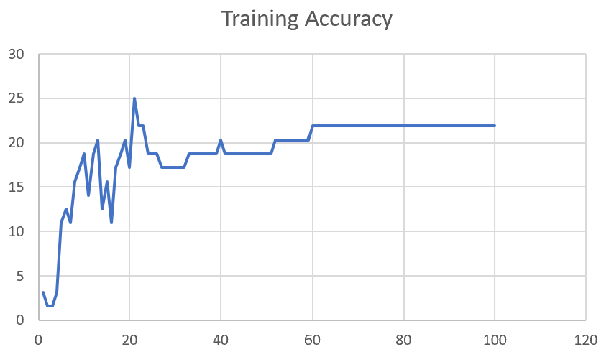

F03_T3+D1 | Token Embeddings + Decoder 123 | 22 | 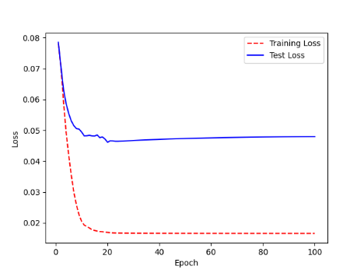 | 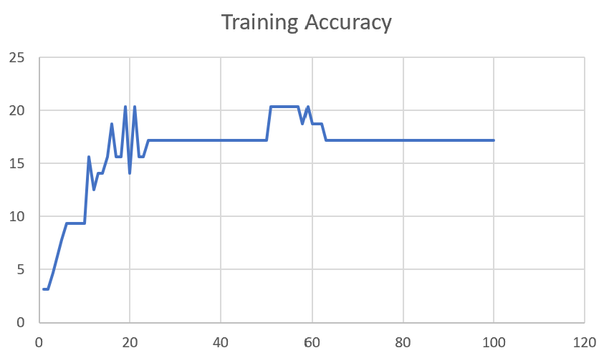

M12
Speaker: M12 | Intelligibility: Very Low | Speech Vision Accuracy: 40.65

Model Name | Layers Frozen | Accuracy | Loss graph | Training accuracy graph
M12_E1.h5 | Encoder 1 | 17 | 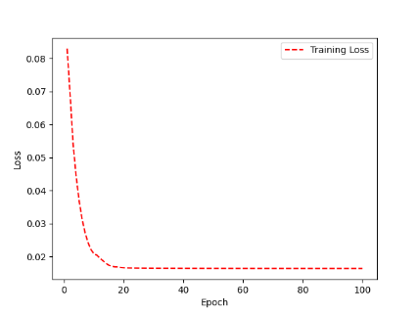 | 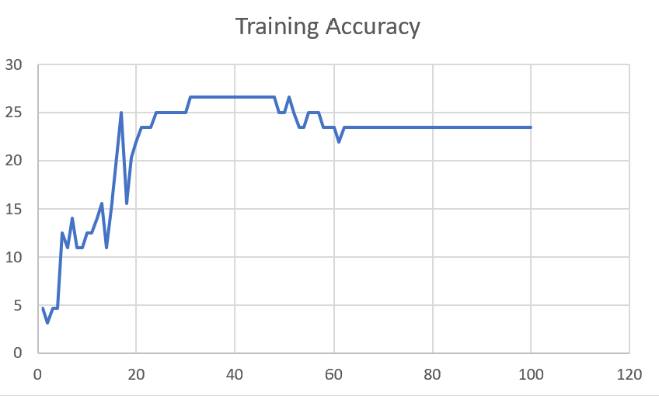

M12_E12.h5 | Encoder 12 | 18 |  | 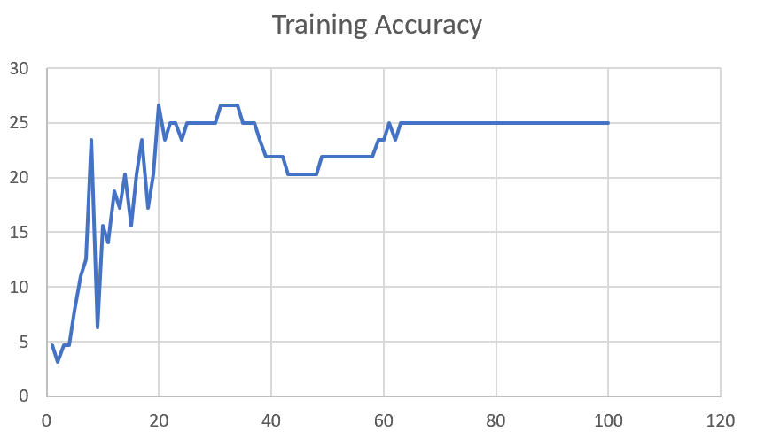

M12_E123 | Encoder 123 | 18 | 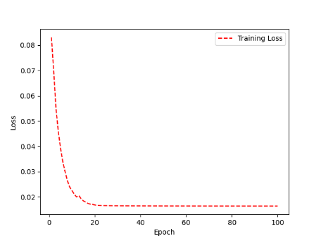 | 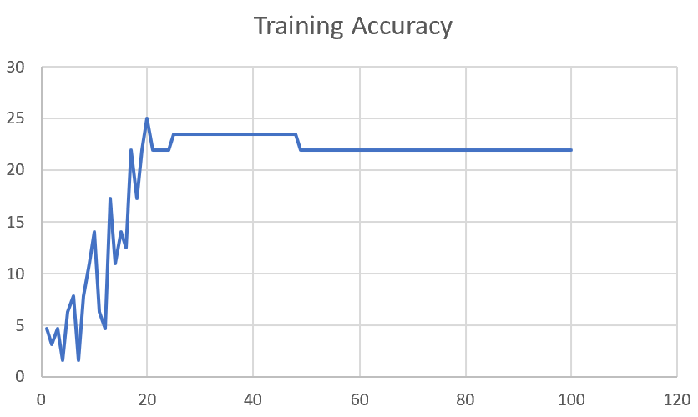

M12_E1234 | Encode 1234 | 14 | 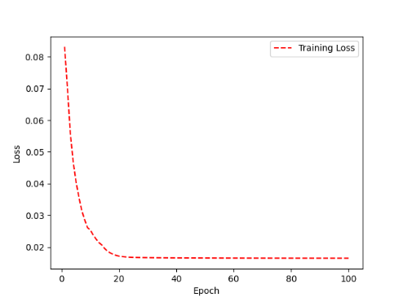 | 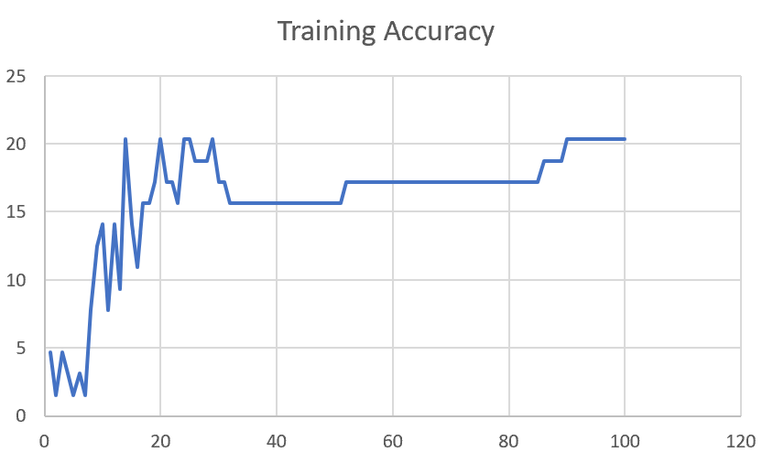

M12_E12345 | Encode 12345 | 16 |  | 

M12_TE | Token Embeddings | 19 |  | 

M12_T3+D123 | Token Embeddings + Decoder 1 | 17 |  | 

M12_T3+D12 | Token Embeddings + Decoder 12 | 16 |  | 

M12_T3+D1 | Token Embeddings + Decoder 123 | 13 |  | 

M12_D3 | Decoder 3 | 15 |  | 

M01
Speaker: M01 | Intelligibility: Very Low | Speech Vision Accuracy: 28.37

Model Name | Layers Frozen | Accuracy | Loss graph | Training accuracy graph
M01_E1.h5 | Encoder 1 | 24 |  | 

M01_E12.h5 | Encoder 12 | 22 |  | 

M01_E123 | Encoder 123 | 18 |  | 

M01_E1234 | Encode 1234 | 15 |  | 

M01_E12345 | Encode 12345 | 17 |  | 

M01_TE | Token Embeddings | 21 |  | 

M01_T3+D123 | Token Embeddings + Decoder 1 | 28 |  | 

M01_T3+D12 | Token Embeddings + Decoder 12 | 22 |  | 

M01_T3+D1 | Token Embeddings + Decoder 123 | 20 |  | 

M01_D3 | Decoder 3 | 26 |  | 

M07
Speaker: M07 | Intelligibility: Low | Speech Vision Accuracy: 69.46

Model Name | Layers Frozen | Accuracy | Loss graph | Training accuracy graph
M07_E1.h5 | Encoder 1 | 49 |  | 

M07_E12.h5 | Encoder 12 | 41 |  | 

M07_E123 | Encoder 123 | 39 |  | 

M07_E1234 | Encode 1234 | 35 |  | 

M07_E12345 | Encode 12345 | 38 |  | 

M07_TE | Token Embeddings | 49 |  | 

M07_T3+D123 | Token Embeddings + Decoder 1 | 47 |  | 

M07_T3+D12 | Token Embeddings + Decoder 12 | 50 |  | 

M07_T3+D1 | Token Embeddings + Decoder 123 | 48 |  | 

M01_D3 | Decoder 3 | 53 |  | 

M16
Speaker: M16 | Intelligibility: Low | Speech Vision Accuracy: 55.91

Model Name | Layers Frozen | Accuracy | Loss graph | Training accuracy graph
M16_E1.h5 | Encoder 1 | 56 |  | 

M16_E12.h5 | Encoder 12 | 50 |  | 

M16_E123 | Encoder 123 | 48 |  | 

M16_E1234 | Encode 1234 | 47 |  | 

M16_E12345 | Encode 12345 | 48 |  | 

M16_TE | Token Embeddings | 56 |  | 

M16_T3+D1 | Token Embeddings + Decoder 1 | 57 |  | 

M16_T3+D12 | Token Embeddings + Decoder 12 | 56 |  | 

M16_T3+D123 | Token Embeddings + Decoder 123 | 55 |  | 

M16_D3 | Decoder 3 | 57 |  | 

M05
Speaker: M05 | Intelligibility: Mild | Speech Vision Accuracy: 64.95

Model Name | Layers Frozen | Accuracy | Loss graph | Training accuracy graph
M05_E1.h5 | Encoder 1 | 52 |  | 

M05_E12.h5 | Encoder 12 | 48 |  | 

M05_E123 | Encoder 123 | 48 |  | 

M05_E1234 | Encode 1234 | 48 |  | 

M05_E12345 | Encode 12345 | 52 |  | 

M05_TE | Token Embeddings | 53 |  | 

M05_T3+D1 | Token Embeddings + Decoder 1 | 55 |  | 

M05_T3+D12 | Token Embeddings + Decoder 12 | 55 |  | 

M05_T3+D123 | Token Embeddings + Decoder 123 | 48 |  | 

M05_D3 | Decoder 3 | 56 |  | 

M11
Speaker: M11 | Intelligibility: Mild | Speech Vision Accuracy: 49.68

Model Name | Layers Frozen | Accuracy | Loss graph | Training accuracy graph
M11_E1.h5 | Encoder 1 | 41 |  | 

M11_E12.h5 | Encoder 12 | 43 |  | 

M11_E123 | Encoder 123 | 42 |  | 

M11_E1234 | Encode 1234 | 43 |  | 

M11_E12345 | Encode 12345 | 41 |  | 

M11_TE | Token Embeddings | 51 |  | 

M11_T3+D1 | Token Embeddings + Decoder 1 | 42 |  | 

M11_T3+D12 | Token Embeddings + Decoder 12 | 42 |  | 

M11_T3+D123 | Token Embeddings + Decoder 123 | 44 |  | 

M11_D3 | Decoder 3 | 49 |  | 

F04
Speaker: F04 | Intelligibility: Mild | Speech Vision Accuracy: 54.75

Model Name | Layers Frozen | Accuracy | Loss graph | Training accuracy graph
F04_E1.h5 | Encoder 1 | 55 |  | 

F04_E12.h5 | Encoder 12 | 51 |  | 

F04_E123 | Encoder 123

F04_E1234 | Encode 1234

F04_E12345 | Encode 12345

F04_TE | Token Embeddings

F04_T3+D1 | Token Embeddings + Decoder 1

F04_T3+D12 | Token Embeddings + Decoder 12

F04_T3+D123 | Token Embeddings + Decoder 123

F04_D3 | Decoder 3

Sheet1
 |  |  | Training Accuracy
0 | 0.796875 | 1 | 20.3125
1 | 0.703125 | 2 | 29.6875
2 | 0.65625 | 3 | 34.375
3 | 0.640625 | 4 | 35.9375
4 | 0.546875 | 5 | 45.3125
5 | 0.53125 | 6 | 46.875
6 | 0.5 | 7 | 50
7 | 0.484375 | 8 | 51.5625
8 | 0.515625 | 9 | 48.4375
9 | 0.5 | 10 | 50
10 | 0.453125 | 11 | 54.6875
11 | 0.5625 | 12 | 43.75
12 | 0.5625 | 13 | 43.75
13 | 0.5 | 14 | 50
14 | 0.515625 | 15 | 48.4375
15 | 0.40625 | 16 | 59.375
16 | 0.421875 | 17 | 57.8125
17 | 0.421875 | 18 | 57.8125
18 | 0.421875 | 19 | 57.8125
19 | 0.421875 | 20 | 57.8125
20 | 0.421875 | 21 | 57.8125
21 | 0.421875 | 22 | 57.8125
22 | 0.421875 | 23 | 57.8125
23 | 0.421875 | 24 | 57.8125
24 | 0.421875 | 25 | 57.8125
25 | 0.421875 | 26 | 57.8125
26 | 0.421875 | 27 | 57.8125
27 | 0.421875 | 28 | 57.8125
28 | 0.421875 | 29 | 57.8125
29 | 0.421875 | 30 | 57.8125
30 | 0.4375 | 31 | 56.25
31 | 0.4375 | 32 | 56.25
32 | 0.453125 | 33 | 54.6875
33 | 0.453125 | 34 | 54.6875
34 | 0.453125 | 35 | 54.6875
35 | 0.453125 | 36 | 54.6875
36 | 0.46875 | 37 | 53.125
37 | 0.46875 | 38 | 53.125
38 | 0.46875 | 39 | 53.125
39 | 0.46875 | 40 | 53.125
40 | 0.453125 | 41 | 54.6875
41 | 0.453125 | 42 | 54.6875
42 | 0.453125 | 43 | 54.6875
43 | 0.453125 | 44 | 54.6875
44 | 0.453125 | 45 | 54.6875
45 | 0.453125 | 46 | 54.6875
46 | 0.453125 | 47 | 54.6875
47 | 0.453125 | 48 | 54.6875
48 | 0.453125 | 49 | 54.6875
49 | 0.453125 | 50 | 54.6875
50 | 0.453125 | 51 | 54.6875
51 | 0.453125 | 52 | 54.6875
52 | 0.453125 | 53 | 54.6875
53 | 0.453125 | 54 | 54.6875
54 | 0.453125 | 55 | 54.6875
55 | 0.453125 | 56 | 54.6875
56 | 0.453125 | 57 | 54.6875
57 | 0.453125 | 58 | 54.6875
58 | 0.453125 | 59 | 54.6875
59 | 0.453125 | 60 | 54.6875
60 | 0.453125 | 61 | 54.6875
61 | 0.453125 | 62 | 54.6875
62 | 0.453125 | 63 | 54.6875
63 | 0.453125 | 64 | 54.6875
64 | 0.453125 | 65 | 54.6875
65 | 0.453125 | 66 | 54.6875
66 | 0.453125 | 67 | 54.6875
67 | 0.453125 | 68 | 54.6875
68 | 0.453125 | 69 | 54.6875
69 | 0.453125 | 70 | 54.6875
70 | 0.453125 | 71 | 54.6875
71 | 0.453125 | 72 | 54.6875
72 | 0.453125 | 73 | 54.6875
73 | 0.453125 | 74 | 54.6875
74 | 0.453125 | 75 | 54.6875
75 | 0.453125 | 76 | 54.6875
76 | 0.453125 | 77 | 54.6875
77 | 0.4375 | 78 | 56.25
78 | 0.4375 | 79 | 56.25
79 | 0.4375 | 80 | 56.25
80 | 0.4375 | 81 | 56.25
81 | 0.4375 | 82 | 56.25
82 | 0.453125 | 83 | 54.6875
83 | 0.453125 | 84 | 54.6875
84 | 0.453125 | 85 | 54.6875
85 | 0.453125 | 86 | 54.6875
86 | 0.453125 | 87 | 54.6875
87 | 0.46875 | 88 | 53.125
88 | 0.46875 | 89 | 53.125
89 | 0.46875 | 90 | 53.125
90 | 0.46875 | 91 | 53.125
91 | 0.46875 | 92 | 53.125
92 | 0.46875 | 93 | 53.125
93 | 0.46875 | 94 | 53.125
94 | 0.46875 | 95 | 53.125
95 | 0.46875 | 96 | 53.125
96 | 0.46875 | 97 | 53.125
97 | 0.46875 | 98 | 53.125
98 | 0.46875 | 99 | 53.125
99 | 0.46875 | 100 | 53.125
<__main__.DisplayOutputs object at 0x7f94340732b0> | 0.46875 | #VALUE! | 53.125
<__main__.DisplayOutputs object at 0x7f94340732b0> | 0.484375 | #VALUE! | 51.5625
<__main__.DisplayOutputs object at 0x7f94340732b0> | 0.34375 | #VALUE! | 65.625
<__main__.DisplayOutputs object at 0x7f94340732b0> | 0.515625 | #VALUE! | 48.4375
<__main__.DisplayOutputs object at 0x7f94340732b0> | 0.28125 | #VALUE! | 71.875
<__main__.DisplayOutputs object at 0x7f94340732b0> | 0.328125 | #VALUE! | 67.1875
<__main__.DisplayOutputs object at 0x7f94340732b0> | 0.359375 | #VALUE! | 64.0625
<__main__.DisplayOutputs object at 0x7f94340732b0> | 0.46875 | #VALUE! | 53.125
<__main__.DisplayOutputs object at 0x7f94340732b0> | 0.4375 | #VALUE! | 56.25
<__main__.DisplayOutputs object at 0x7f94340732b0> | 0.453125 | #VALUE! | 54.6875
<__main__.DisplayOutputs object at 0x7f94340732b0> | 0.546875 | #VALUE! | 45.3125
<__main__.DisplayOutputs object at 0x7f94340732b0> | 0.46875 | #VALUE! | 53.125
<__main__.DisplayOutputs object at 0x7f94340732b0> | 0.296875 | #VALUE! | 70.3125
<__main__.DisplayOutputs object at 0x7f94340732b0> | 0.375 | #VALUE! | 62.5
<__main__.DisplayOutputs object at 0x7f94340732b0> | 0.40625 | #VALUE! | 59.375
<__main__.DisplayOutputs object at 0x7f94340732b0> | 0.375 | #VALUE! | 62.5
<__main__.DisplayOutputs object at 0x7f94340732b0> | 0.37704918033 | #VALUE! | 62.295081967
<__main__.DisplayOutputs object at 0x7fcfe04bb910> | 0.640625
<__main__.DisplayOutputs object at 0x7fcfe04bb910> | 0.50819672131

